Instructions
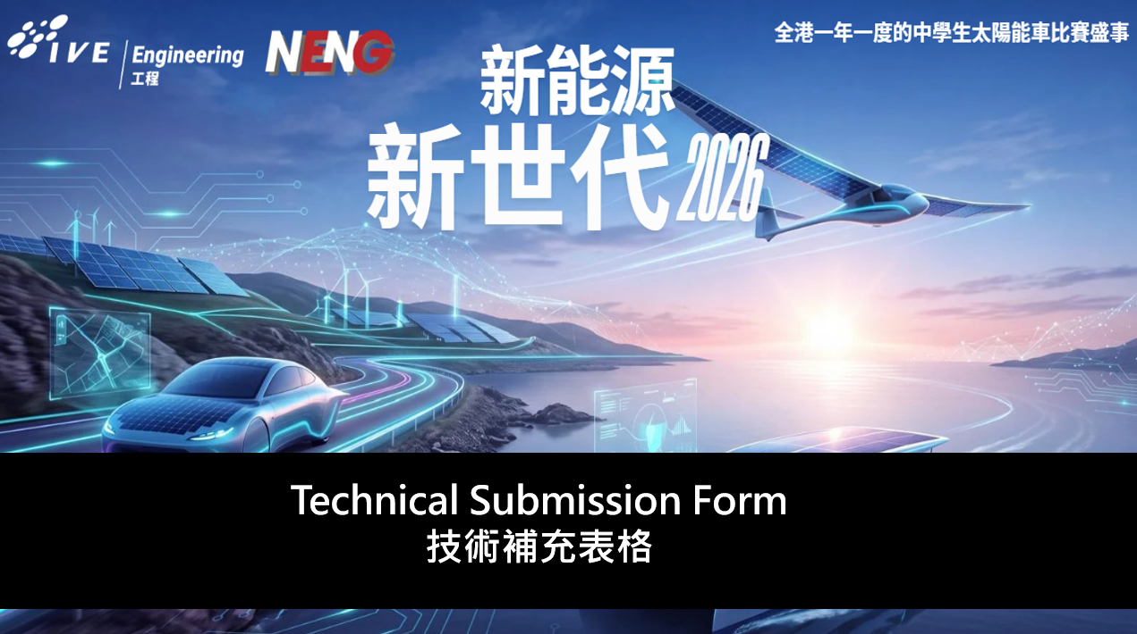
Technical Submission form
(Here are the guideline may help you on fulfill in the whole techncial submission form.)

 | Please fill in the technical submission form by clicking on:
 | (to get back to this screen click on the "instructions" button):

 |  |  | Instructions
 | 1 | in the status column:
 |  | Field are mandatory are marked with: | >
 |  | Fields have been or not necessary to be filled: | v
 | 2 | Fields are shaded by the data types requried:
 |  | Text ONLY
Click on the cell for a drop down arrow to appear. Then click on the arrow to see the choices, and make your selection.
 |  | Number ONLY
 |  | Select from drop down list
 | 3 | once a picture has been added select "yes" from the dropdown list:

 |  | Picture added?
 |  | Note: where images/pictures/drawings are required, they are shaded green (at the top of the form)

 | 2026 Sept

 | 備註: 如隊伍完成後 ,可在8月4日前 發文件至 shwong02@vtc.edu.hk.

Technical Submission form-Table
Technical Submission form - New Energy New Generation 2026

Team please complete the below table, and attach the pictures as the following highlighted link in green.

TEAM | Team name: |  |  |  | Energy:
 | Car name: |  |  |  | Form status: | Incomplete
 | Pictures: |  |  |  | Pictures: | 18 pics needed
 | Design |  |  |  | Date of submission:
 | Safety |  |  |  | Version:
 | EV

 | Article | Information | Status | Input
 | A | Technical submission details
 |  | Submission date (dd/mmm/yyyy) | >
 |  | Version number (pervious version will be replaced) | > |  | Revision
 | B | Team details
 |  | Registration ID | >
 |  | Team name | >
 |  | Car name | >
 |  | School name | >
 |  | Energy type | >
 |  | Is it a hybrid vehicle (i.e. apply regenerative braking)? | >
 |  | Is the generated energy stored in a super capacitor? | >
 | C | Previous participation in New Energy New Generation(NENG) event
 |  | Has this car been used in a previous event? | >
 |  | What was your race number? | >
 |  | What was the energy type? | >
 |  | Will you be making any changes to the car? | > |  | Changes
 | D | Pictures
 |  | Electircal system diagram and schematic inserted? | > |  | Electrical system
 |  | Car drawings inserted? | >
 | E | Car structure
 | 3.1 | Car dimensions
 | a | Height (mm) | >
 | d | Track width - front (mm) | >
 |  | Track width - rear (mm), if any | >
 | b | Width (mm) [exlcuding mirrors] | >
 | e | Wheelbase (mm) | >
 | c | Length (mm) | >
 | f | Driver compartment height (mm) | >
 |  | Driver compartment width at shoulder (mm) | >
 | g | Ground clearnace (mm) | >
 | h | Car weight (kg) | >
 | 2.11 | Car design
 | b | Number of wheels | >
 |  | Wheel types | >
 | 4.3.8. | Sharp edges/objects outside or inside vehcile | >
 |  | Aerodynamic appendages (flaps that move with wind) | >
 |  | Sharp objects inside the vehicle | >
 | 3.4 | Wheels and Axles
 |  | Appropriate dimensions and fixing | >
 |  | Are the wheels isolated from driver with a bulkhead? | >
 | 3.4 | Tyres
 |  | Width of tyre (mm) | >
 |  | Tyre tread depth (mm) | >
 | 3.3 | Vehicle handling and driver position
 |  | Steering is precise (no excessive play) | >
 |  | Turning radius (m) | >
 |  | Proper steering wheel | >
 | 3.6 | Braking
 |  | 1 independent front system | >
 |  | 1 independent rear system | >
 |  | Disc hydraulic brake system | >
 |  | Individual brake systems hold the car on a 20% incline? | >
 |  | Do you use indirect or electronic braking? | >
 | 3.2 | Vehicle body/Chassis/Monocoque
 |  | Covers all mechanical parts, wheels & suspension | >
 |  | Winds/fenders are inegral part of body | >
 |  | Are you using a commercial body? | >
 | c | Access typical of production car (e.g. door) | >
 |  | Door opening is at least 500x500mm | >
 |  | Opening mechanism firmly attached (no adhesive tape) | >
 | e | roof present | >
 | g | Are ther any sharp edges? | >
 |  | Is there a towing hook capable of withstanding 200kg? | >
 | F | Design requirement
 |  | Driving position
 |  | Leg forward position | >
 | 2.14 | Energy system isolation from driver
 | b | Rigid and fire resistant bulkhead | >
 |  | Are there any gaps between bulkhead and cover? | >
 |  | Energy compartment accessible by the driver? | >
 |  | Energy compartment accessible by the inspection | >
 | 2.15 | Visibility
 | a | Direct visiblility: arc of 180° | >
 | b | 2 rear view mirrors of 2500mm2 | >
 |  | Transmission
 |  | Is an automatic transimssion used? | >
 |  | Vehcile has idling capability | >
 |  | Is a chain used to tranmsit power | >
 |  | Chain/belt guard in place (or no chain/belt used) | >
 | 2.20 | Emergency shut down mechanism
 | c | External emergency shut down mechanism present | >
 |  | Internal emergency shut down mechanism present | >
 |  | Stops motor | >
 |  | Mechanically isolation of energy souce (including the solar panels) | >
 |  | Switch location shown by red arrow with white border | >
 |  | Is the shutdown switch part of the detachable bodywork? | >
 |  | Driver comfort
 |  | Cockpit ventilation present? | >
 | 2.17 | Vehicle access
 |  | Driver exit time (seconds) | >
 |  | Good closing of body | >
 |  | Ability to open door/opening from inside | >
 |  | Adhesive tape used for door/opening | >
 |  | Method of opening marked on outside | >
 | G | Safety equipment
 | 2.16 | Safety belts
 |  | Safety belts able to withstand 1.5 x drivers weight | >
 |  | Solid chassis mounting | >
 |  | at least 5 mounting points | >
 |  | Proprietary, motor sport type | >
 | 2.18 | Horn: Standard and operation
 |  | Horn is operatinoal | >
 |  | Frequency (Hz) | >
 |  | Decibels (dB) | >
 |  | Decibels @4m away from car (dB) | >
 | 2.22 | Fire extinguisher 1kg
 |  | Solidly attached | >
 |  | Sound level
 |  | Sound >85dB @4m from car | >
 | 3.5 | Lighting
 |  | 2 front white headlights | >
 |  | 2 amber front turn indicators | >
 |  | 2 amber rear turn indicators | >
 |  | 2 red stop lights | >
 |  | 2 red rear running lights | >
 |  | Left and right turn indicators has at least 50% car width distance | >
 |  | Radio communication
 |  | Are you using radio communication? | >
 |  | Is it handsfree? | >
 | H | Car Electrical systems
 | 4.1 | Electrical safety
 | c | Maximum voltage at any point in electrical system | >
 |  | Maximum nominal voltage at any point in electrical system | >
 |  | All battereis and super capacitors short circuit protected? | >
 |  | Short circuit protection on +ve terminal of battery/super cap. | >
 |  | Electrical circuits protected against electrical overload? | >
 |  | All batteries & super capacitors outside driver compartment | >
 |  | Number of propulsion batteries | >
 |  | All primary sources are isolated from frame/chassis/accessory circuit | >
 | 4.2 | Solar system
 |  | Electrical circuit & proulsion system diagram/schematic provided | >
 |  | 2 Labelled Joulemeters (for battery & motor) | >
 |  | Joulemeters inaccessible to driver | >
 |  | Joulemeters can be read easily from outside vehicle | >
 |  | Maximum current from the solar panels (amps) | >
 | 4.1 | Propulsion battery (primary source)
 | d | Number of propulsion batteries | >
 |  | Propulsion battery voltage - nominal (V) | >
 |  | Propulsion battery votlage - max. (V) | >
 |  | is it a lithium battery? | >
 |  | is a Battery Management System (BMS) installed? | >
 | 4.1 | Accessory battery
 | h | Used for emergency stop/horn/data logging system | >
 |  | Number of accessory battery | >
 |  | Maximum voltage of the battery (V) | >
 |  | Amp-hours of battery (Amp-hr) | >
 |  | Is it a lithium battery? | >
 |  | Is there a BMS for the battery | >
 |  | Enough electricity for safety devices (emergency shut, horn) | >
 |  | Accessory battery has grounded properly | >

br
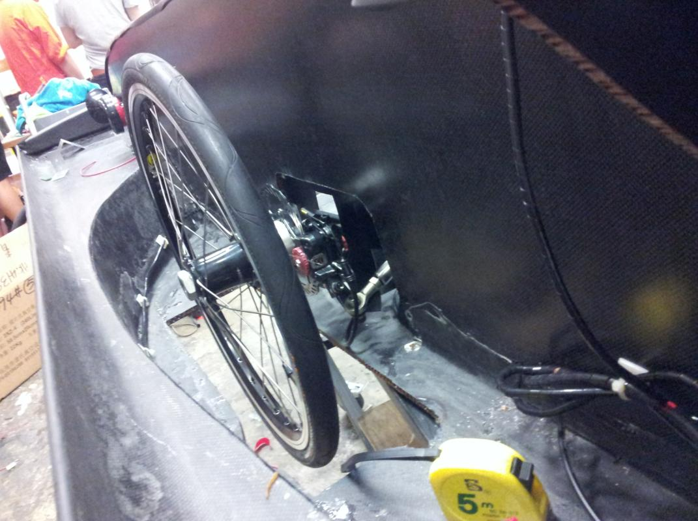
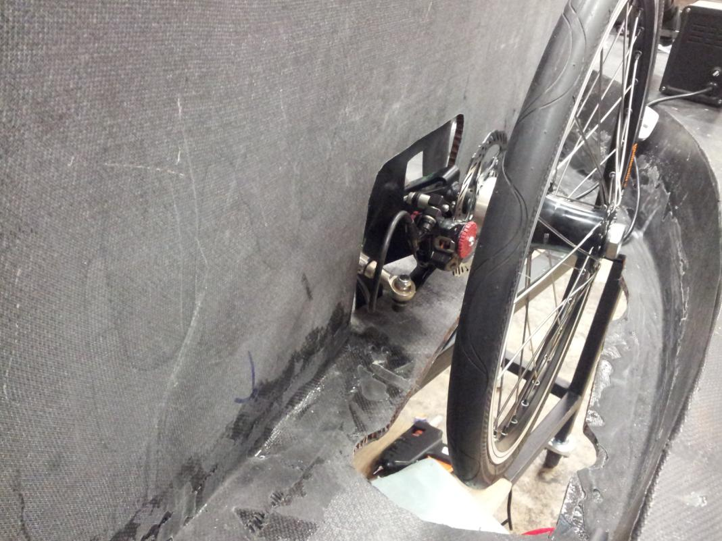
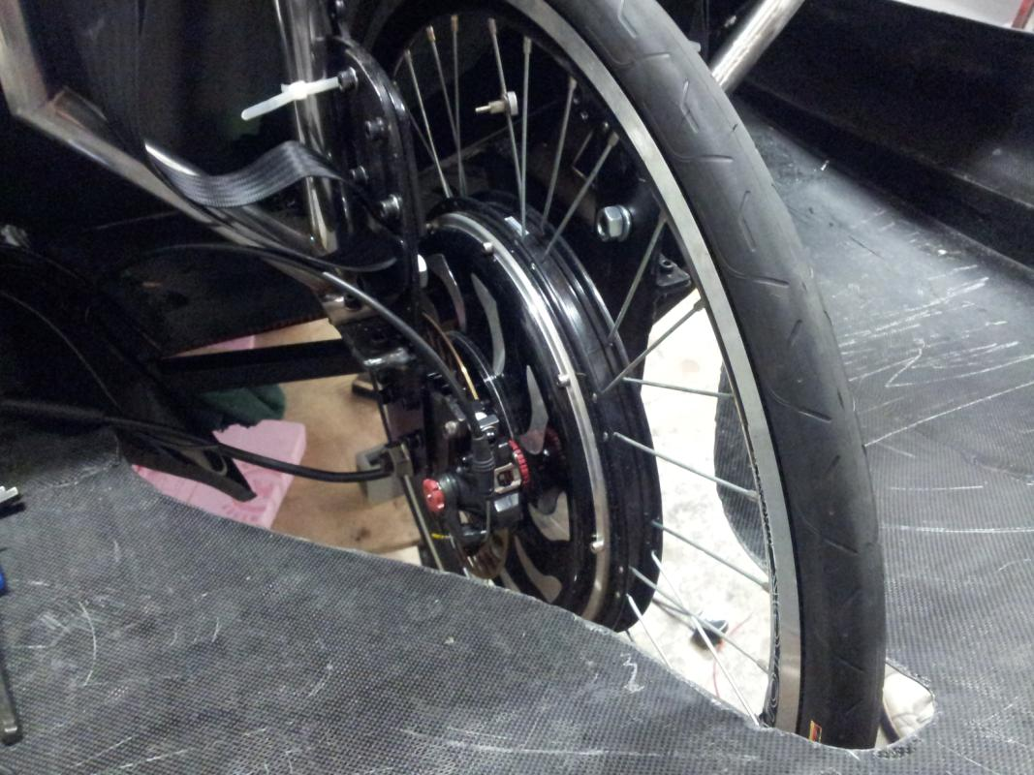
Brake system | Picture added? | 1

